About
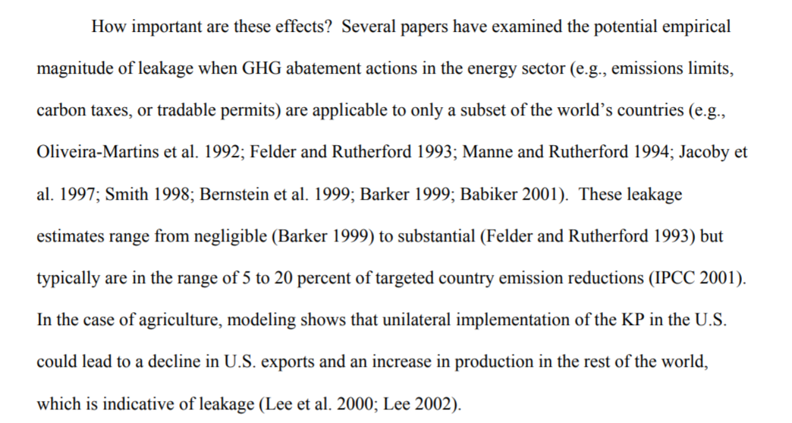
RPEpUACE Rebound Pollutant Emissions per Unit Avoided CO2 Emissions

Source: | U.S. EPA
 | 2015
 | Inventory of U.S. Greenhouse Gas Emissions and Sinks: 1990-2013
 | http://www.epa.gov/climatechange/Downloads/ghgemissions/US-GHG-Inventory-2015-Main-Text.pdf
 | Page 6-4, Table 6-3

Notes
IFM reduces the amount of timber provided by a given area.
The offset quantification protcols themselves are designed to handle (see below on IFM protocol).

Unlike offset protocols, GGRF reduction project accounting is not required to be shown to be additional.
They are not required to account for secondary effects as offset prjects are.
Avoided conversion in a particular place might lead to conversion somewhere else.
Wetland restoration keeping some land from crop supply might lead to the prospective buyer simply looking elsewhere.
REF (reforestation projects) appear to be mainly taking place on land already state owned.
Thus REF projects might raise less concern, if the supply of land for these projects is sufficient.
As well, for GGRF funded projects, these are not substituting for reductions under cap-and-trade, so it
makes sense that additionality would be given less attention.

Further, note that in strict inventory terms, only in-state effects would be considered.
Imported electricity is considered in the statewide inventory, but not other emissions from
outside state borders.

The potential for reversal due to fire is directly factored in by PNAS (Cameron et al) paper in technical potentials.

However, there may be some soil emissions in some instances.
The US model calculates a value for foresty fires and soil emissions. The CA EPS incorporates the soil component.

US EPS model documentation states:
 | For each (net) gram of CO2 abated via LULUCF, there is a positive amount of CH4
 | and N2O released, mostly from forest fires, but also some from soils.
 | We use the historical relationship between net CO2 sequestration and CH4/N2O
 | emissions to establish a relationship that we apply to future years (in the BAU case)
 | and to the effects of policy levers in the model.

IFM protocol from CARB instructs accounting for this through a 20% reduction in the estimated benefit.
From page 69

IFM offset protocol excerpt
https://www.arb.ca.gov/cc/capandtrade/protocols/usforest/forestprotocol2015.pdf
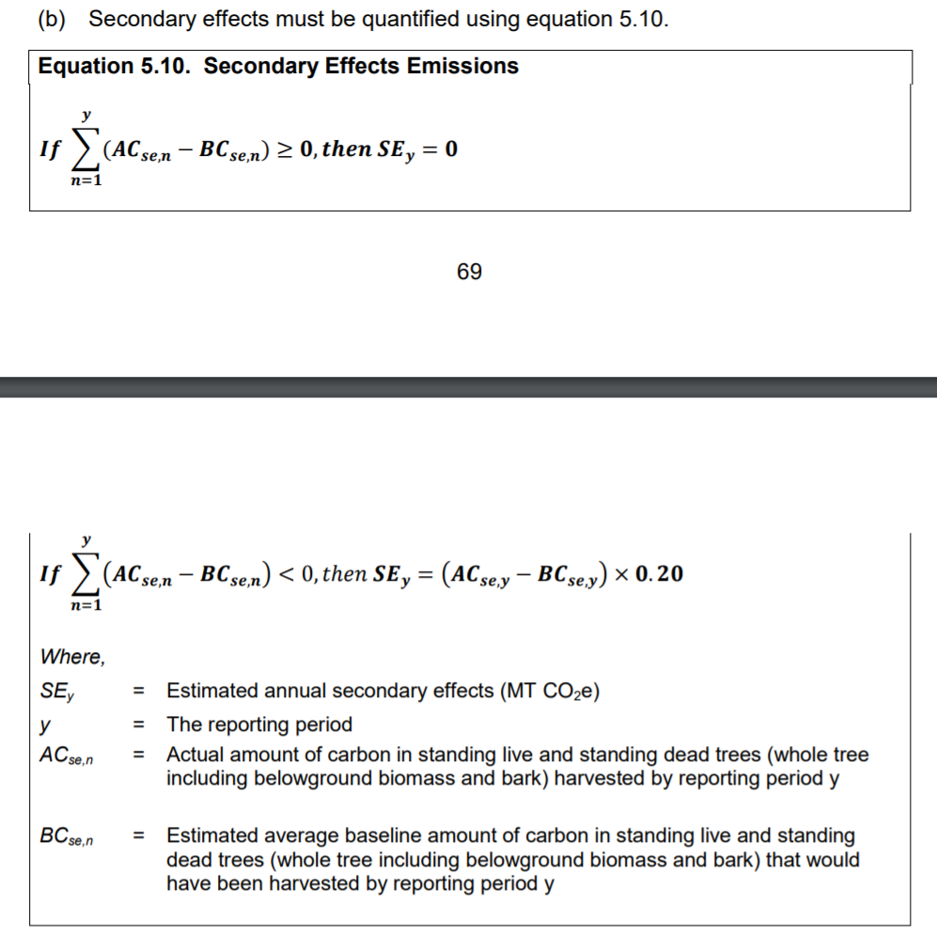

Need to apply across the board because current model structure entails a single value across activities.

https://pdfs.semanticscholar.org/fe83/509a380e1264be2359b52539c341a3b66968.pdf

